JIMMY CHOO SUNGLASSES
Jimmy Choo Sunglasses

Image | EAN | Ref | Description | Model | Cal | Ponte | Temple | Col | Color | # Units | Retail | Total | Cat | Material | Gender
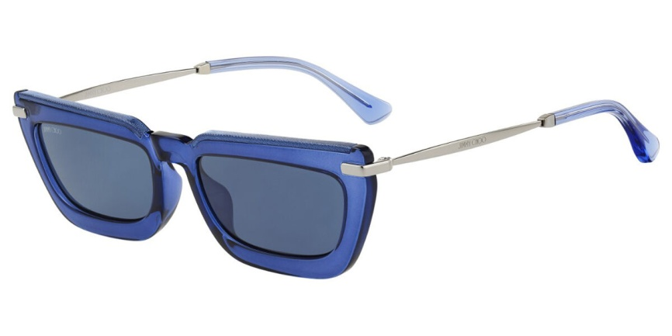 716736179964 | 716736179964 | ART0530069 | JIM SUN VELA/G/S JOJ 55 18 145 | VELA/G/S | 55 | 18 | 145 | JOJ | HAVANA | 60 | 265.00 € | 15,900.00 € | SUN | PROPIONATE/INJECTED | WOMAN
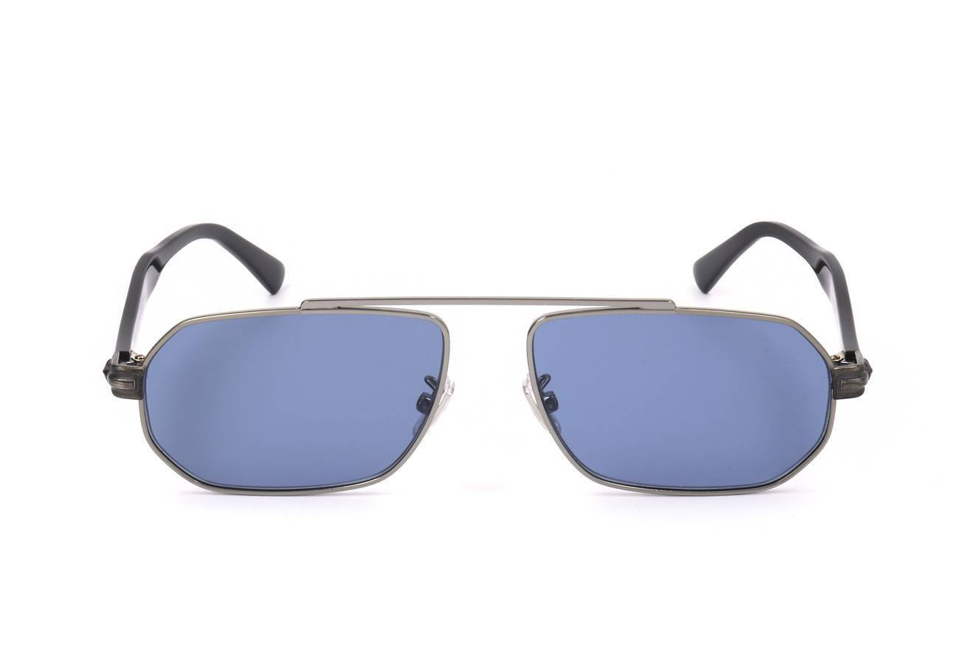 716736228815 | 716736228815 | ART0537043 | JIM SUN VIGGO/S GUA 57 15 150 | VIGGO/S | 57 | 15 | 150 | GUA | MTBLKBLUE | 20 | 290.00 € | 5,800.00 € | SUN | STAINLESS STEEL | MAN
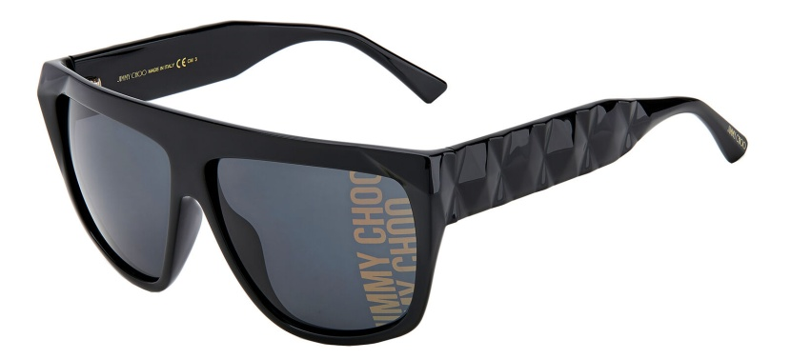 716736291895 | 716736291895 | ART0540115 | JIM SUN DUANE/S 807 61 12 140 | DUANE/S | 61 | 12 | 140 | 807 | BLACK | 60 | 270.00 € | 16,200.00 € | SUN | PROPIONATE/INJECTED | UNISEX
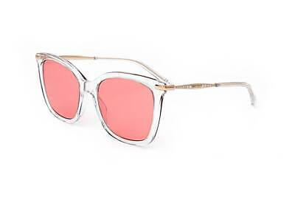 716736351674 | 716736351674 | ART0540190 | JIM SUN ELIA/S 900 53 19 145 | ELIA/S | 53 | 19 | 145 | 900 | CRYSTAL | 12 | 250.00 € | 3,000.00 € | SUN | ACETATE | WOMAN
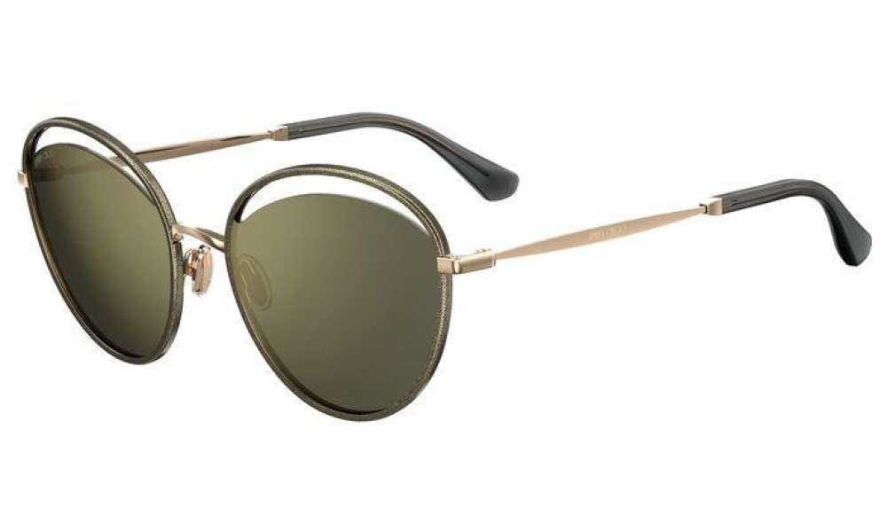 716736180069 | 716736180069 | ART0548138 | JIM SUN MALYA/S W8Q 59 19 145 | MALYA/S | 59 | 19 | 145 | W8Q | GOLD GLITTER GREY | 20 | 325.00 € | 6,500.00 € | SUN | STAINLESS STEEL | WOMAN
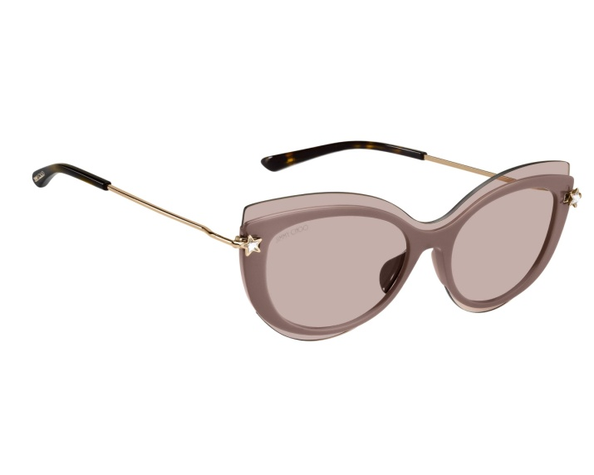 716736252209 | 716736252209 | ART0548141 | JIM SUN CLEA/G/S FWM 99 01 150 | CLEA/G/S | 99 | 01 | 150 | FWM | NUDE | 30 | 285.00 € | 8,550.00 € | SUN | POLYAMIDE | WOMAN
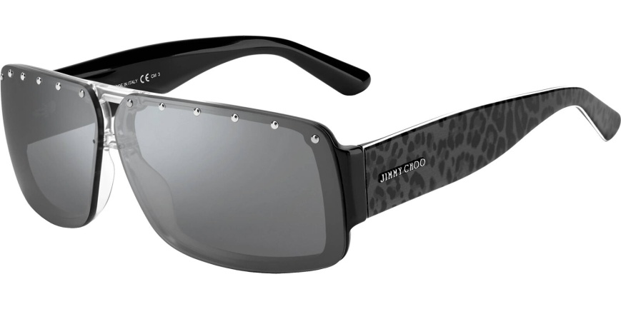 716736292137 | 716736292137 | ART0555495 | JIM SUN MORRIS/S 4FZ 68 06 135 | MORRIS/S | 68 | 06 | 135 | 4FZ | GREY ANIMALIER | 30 | 285.00 € | 8,550.00 € | SUN | INJECTED | UNISEX
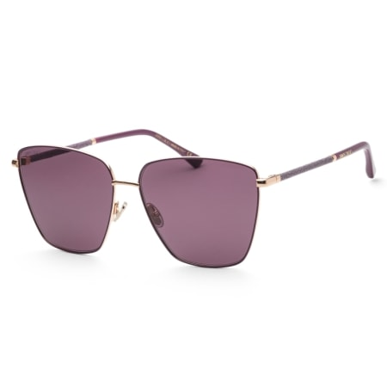 716736738529 | 716736738529 | ART0558909 | JIM SUN LAVI/S VO1 60 14 140 | LAVI/S | 60 | 14 | 140 | VO1 | GOLD PLUM | 40 | 310.00 € | 12,400.00 € | SUN | STAINLESS STEEL | WOMAN
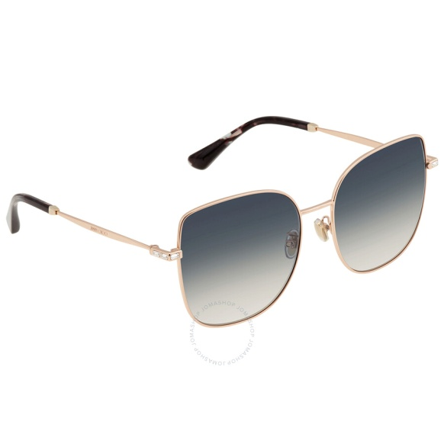 716736291819 | 716736291819 | ART0565712 | JIM SUN FANNY/G/SK DDB 59 17 145 | FANNY/G/SK | 59 | 17 | 145 | DDB | GOLD COPPER | 45 | 315.00 € | 14,175.00 € | SUN | STAINLESS STEEL | WOMAN
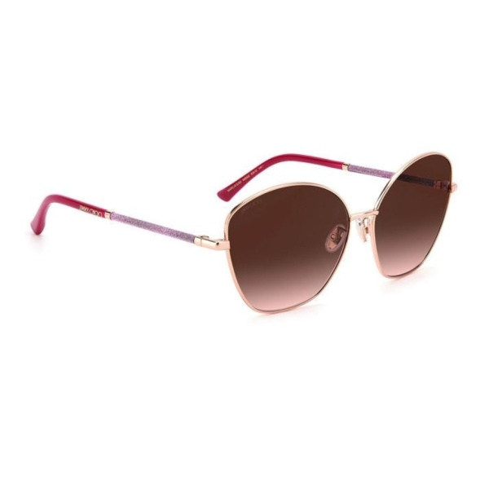 716736683409 | 716736683409 | ART0565713 | JIM SUN MARILIA/G/SK N6E 63 15 140 | MARILIA/G/SK | 63 | 15 | 140 | N6E | GOLD FUCHSIA | 100 | 310.00 € | 31,000.00 € | SUN | STAINLESS STEEL | WOMAN
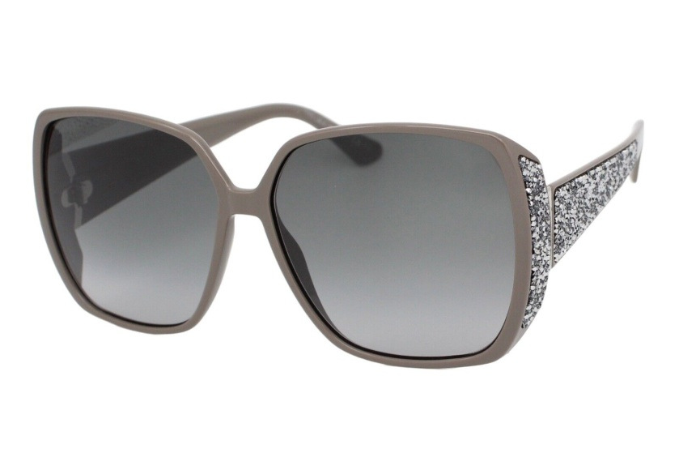 716736351650 | 716736351650 | ART0565735 | JIM SUN CLOE/S KB7 62 14 140 | CLOE/S | 62 | 14 | 140 | KB7 | GREY | 100 | 450.00 € | 45,000.00 € | SUN | POLYAMIDE | WOMAN
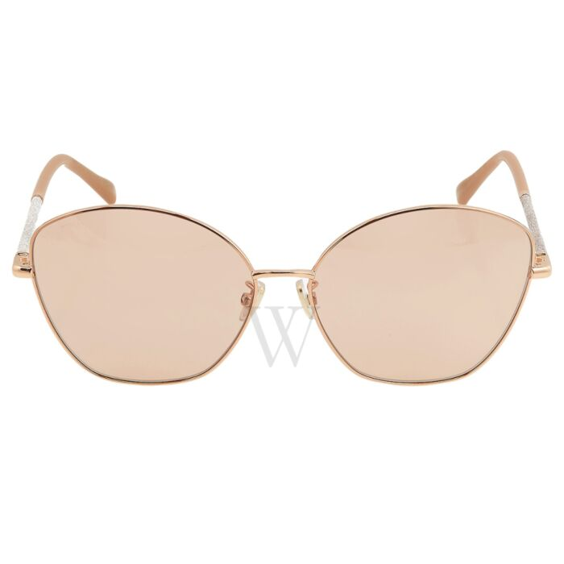 716736683393 | 716736683393 | ART0566425 | JIM SUN MARILIA/G/SK BKU 63 15 140 | MARILIA/G/SK | 63 | 15 | 140 | BKU | GOLD NUDE | 100 | 310.00 € | 31,000.00 € | SUN | STAINLESS STEEL | WOMAN
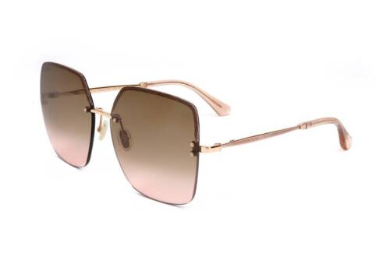 716736694092 | 716736694092 | ART0566464 | JIM SUN TAVI/N/S BKU 60 15 145 | TAVI/N/S | 60 | 15 | 145 | BKU | GOLD NUDE | 40 | 490.00 € | 19,600.00 € | SUN | METAL | WOMAN
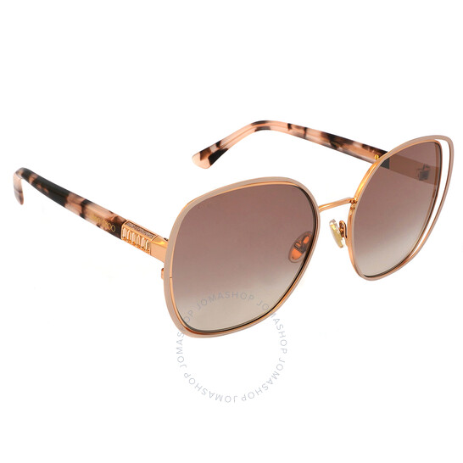 716736290614 | 716736290614 | ART0566472 | JIM SUN DODIE/S FWM 58 18 140 | DODIE/S | 58 | 18 | 140 | FWM | NUDE | 60 | 370.00 € | 22,200.00 € | SUN | STAINLESS STEEL | WOMAN
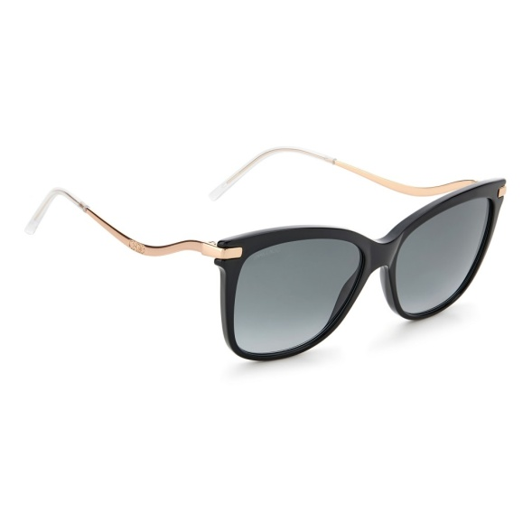 716736290478 | 716736290478 | ART0574185 | JIM SUN STEFF/S 807 55 16 145 | STEFF/S | 55 | 16 | 145 | 807 | BLACK | 60 | 235.00 € | 14,100.00 € | SUN | ACETATE | WOMAN
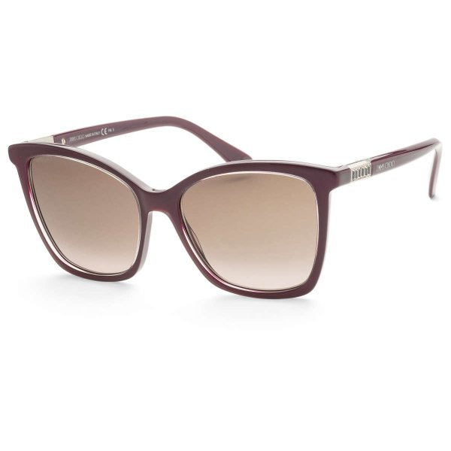 716736290713 | 716736290713 | ART0574189 | JIM SUN ALI/S LHF 56 17 140 | ALI/S | 56 | 17 | 140 | LHF | BURGUNDY | 24 | 330.00 € | 7,920.00 € | SUN | ACETATE | WOMAN
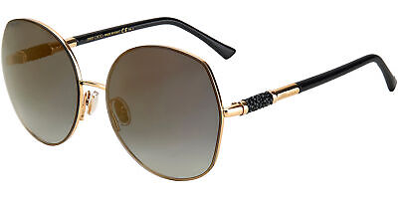 716736354613 | 716736354613 | ART0574193 | JIM SUN MELY/S 000 60 17 140 | MELY/S | 60 | 17 | 140 | 000 | ROSE GOLD | 100 | 325.00 € | 32,500.00 € | SUN | STAINLESS STEEL | WOMAN
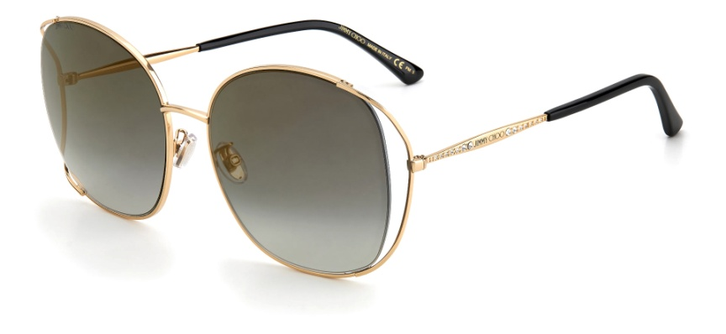 716736351575 | 716736351575 | ART0574197 | JIM SUN TINKA/G/SK DDB 61 18 145 | TINKA/G/SK | 61 | 18 | 145 | DDB | GOLD COPPER | 60 | 355.00 € | 21,300.00 € | SUN | STAINLESS STEEL | WOMAN
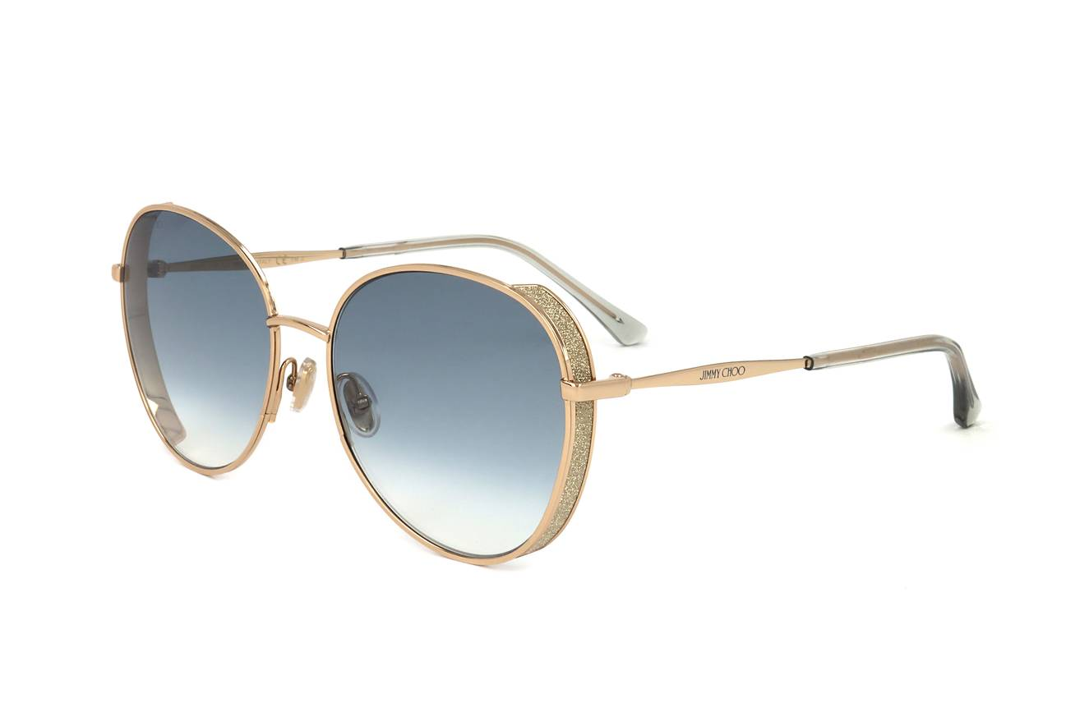 716736351704 | 716736351704 | ART0574202 | JIM SUN FELINE/S 000 58 17 145 | FELINE/S | 58 | 17 | 145 | 000 | ROSE GOLD | 40 | 355.00 € | 14,200.00 € | SUN | STAINLESS STEEL | WOMAN
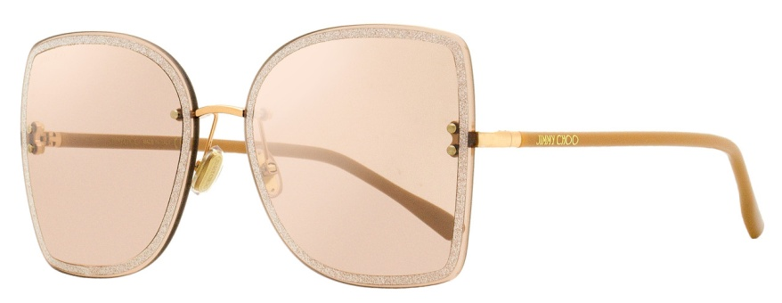 716736683195 | 716736683195 | ART0574215 | JIM SUN LETI/S FIB 62 15 145 | LETI/S | 62 | 15 | 145 | FIB | NUDE GOLD | 100 | 335.00 € | 33,500.00 € | SUN | METAL | WOMAN
 716736687988 | 716736687988 | ART0574220 | JIM SUN SEBA/S 7W5 58 15 145 | SEBA/S | 58 | 15 | 145 | 7W5 | BURGUNDY SHADED | 50 | 240.00 € | 12,000.00 € | SUN | ACETATE | WOMAN
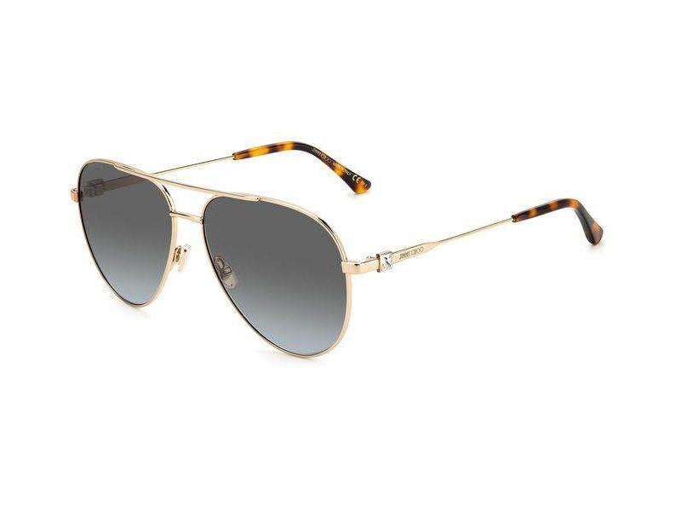 716736688077 | 716736688077 | ART0574221 | JIM SUN OLLY/S 000 60 14 145 | OLLY/S | 60 | 14 | 145 | 000 | ROSE GOLD | 100 | 250.00 € | 25,000.00 € | SUN | STAINLESS STEEL | WOMAN
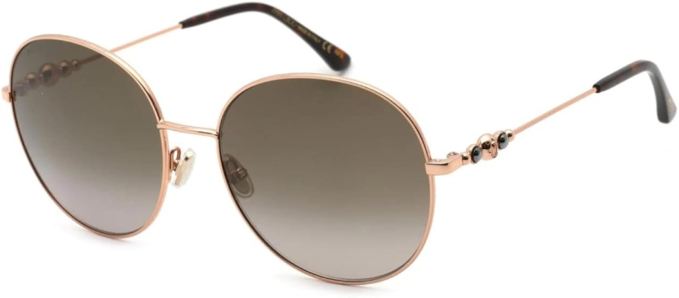 716736692630 | 716736692630 | ART0574225 | JIM SUN BIRDIE/S 06J 60 18 145 | BIRDIE/S | 60 | 18 | 145 | 06J | GOLD HAVANA | 100 | 300.00 € | 30,000.00 € | SUN | STAINLESS STEEL | WOMAN
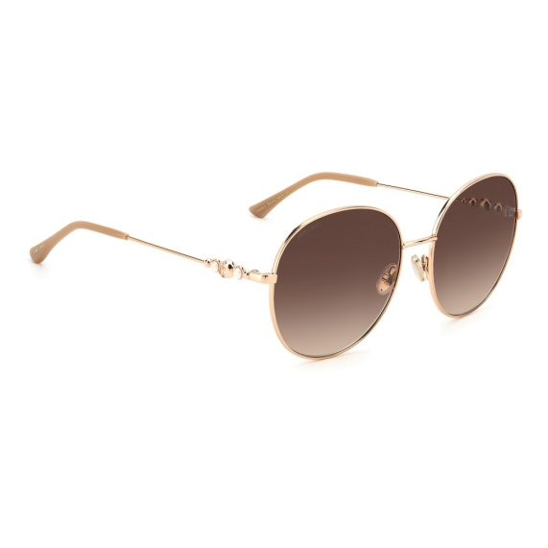 716736692654 | 716736692654 | ART0574226 | JIM SUN BIRDIE/S BKU 60 18 145 | BIRDIE/S | 60 | 18 | 145 | BKU | GOLD NUDE | 100 | 300.00 € | 30,000.00 € | SUN | STAINLESS STEEL | WOMAN
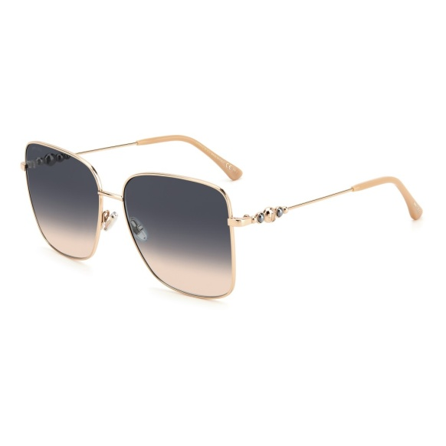 716736692692 | 716736692692 | ART0574227 | JIM SUN HESTER/S BKU 59 15 145 | HESTER/S | 59 | 15 | 145 | BKU | GOLD NUDE | 50 | 300.00 € | 15,000.00 € | SUN | STAINLESS STEEL | WOMAN
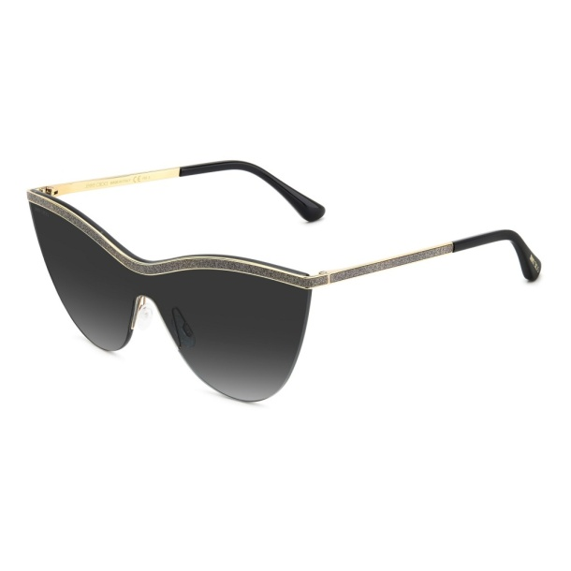 827886014453 | 827886014453 | ART0574246 | JIM SUN KRISTEN/S RHL 99 01 145 | KRISTEN/S | 99 | 01 | 145 | RHL | GOLD BLACK | 30 | 350.00 € | 10,500.00 € | SUN | METAL | WOMAN
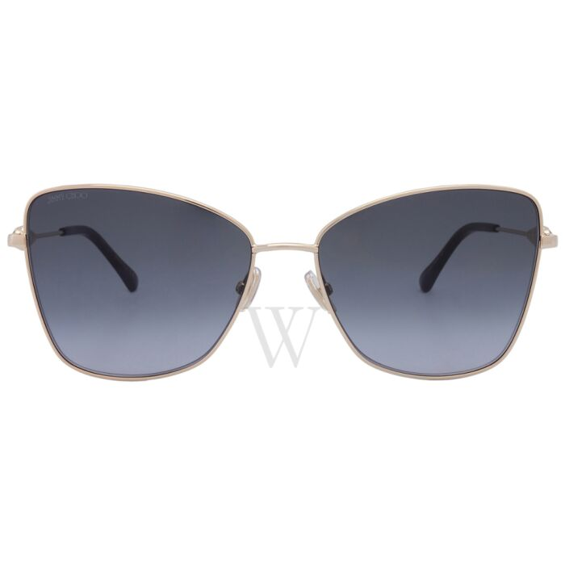 827886014958 | 827886014958 | ART0574249 | JIM SUN TESOS 000 59 16 145 | TESOS | 59 | 16 | 145 | 000 | ROSE GOLD | 60 | 300.00 € | 18,000.00 € | SUN | STAINLESS STEEL | WOMAN
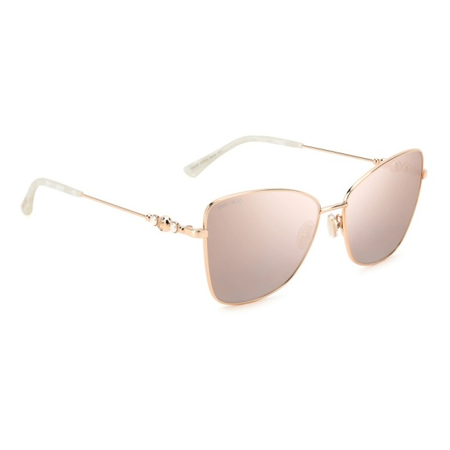 827886014996 | 827886014996 | ART0574251 | JIM SUN TESOS DDB 59 16 145 | TESOS | 59 | 16 | 145 | DDB | GOLD COPPER | 50 | 300.00 € | 15,000.00 € | SUN | STAINLESS STEEL | WOMAN
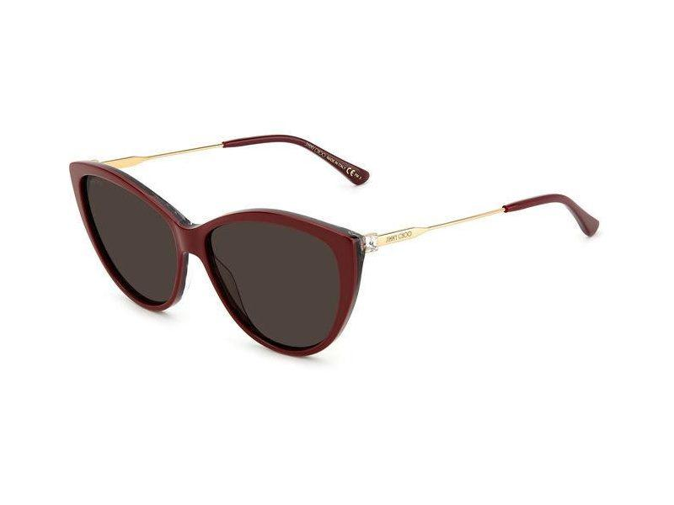 827886016891 | 827886016891 | ART0574260 | JIM SUN RYM/S 1GR 60 15 145 | RYM/S | 60 | 15 | 145 | 1GR | BURGUNDY ANIMALIER | 60 | 240.00 € | 14,400.00 € | SUN | ACETATE | WOMAN
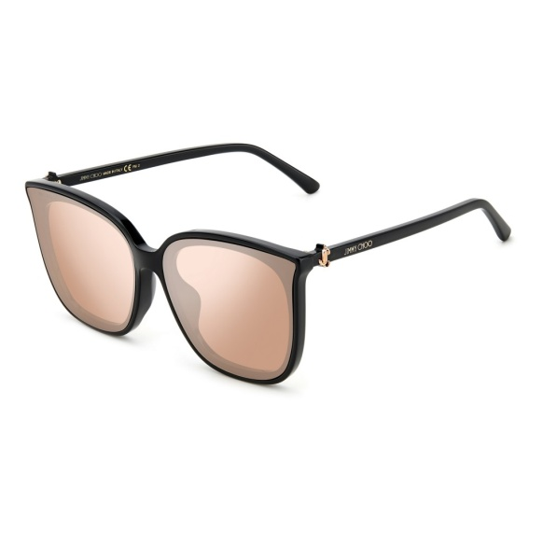 827886017188 | 827886017188 | ART0574265 | JIM SUN NETTAL/F/SK 807 66 15 145 | NETTAL/F/SK | 66 | 15 | 145 | 807 | BLACK | 80 | 240.00 € | 19,200.00 € | SUN | ACETATE | WOMAN
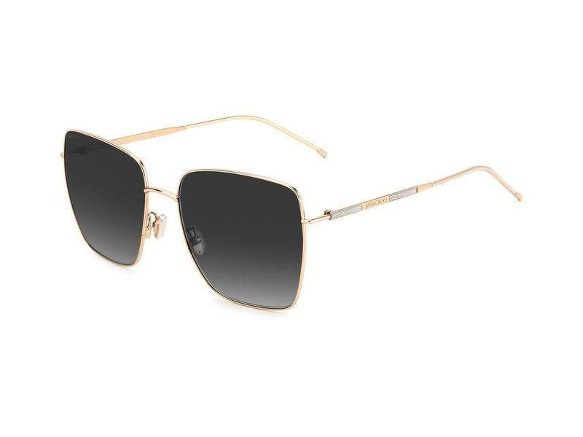 827886014408 | 827886014408 | ART0574266 | JIM SUN DAHLA/F/SK 000 59 18 145 | DAHLA/F/SK | 59 | 18 | 145 | 000 | ROSE GOLD | 20 | 300.00 € | 6,000.00 € | SUN | STAINLESS STEEL | WOMAN
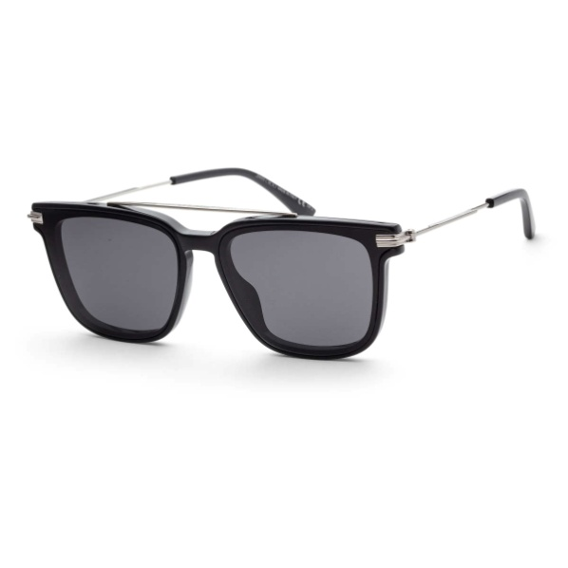 716736228921 | 716736228921 | ART0575709 | JIM SUN ZED/G/S 807 63 15 150 | ZED/G/S | 63 | 15 | 150 | 807 | BLACK | 2 | 310.00 € | 620.00 € | SUN | ACETATE | MAN
Total Jimmy Choo |  |  |  |  |  |  |  |  |  | 1,691 | 330.64 € | 559,115.00 €

